O-Ring (2-340) Parameters
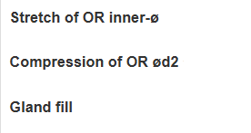
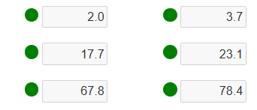
 | O-ring OD [in] | O-ring ID (d1) [in] | Backup O-ring Area | O-ring Width [in] | O-ring Area [in^2] | Number of Backup Rings
 | 3.77 | 3.35 | 0.01281 | 0.20984251969 | 0.034584130889 | 0

Calculating parameters --> | Groove Diameter [in] | Chamber Width (to tank wall) [in] | Gland Width (b) [in] | Gland Area [in^2] | Squeeze (%) | Stretch (%) | Gland Fill (%)
 | 3.45 | 0.15708661417 | 0.28346456693 | 0.044528489057 | 25.140712946 | 2.9850746269 | 77.667425105

From Paker handbook: | Dash Number | ID (d1) | O-ring Width (d2) | Groove Width (0 BURs) (b1) | Bore Diameter (d4/d9) |  | Groove Diameter (d3)
(metric) --> | 2-340 | 85.09 | 5.33 | 7.2 | 95.61 |  | 87.63
(imperial) --> |  | 3.35 | 0.20984251969 | 0.28346456693 | 3.7641732283 |  | 3.45
 | Tolerances: (in) |  | MAX (+) | 0.0098 | 0.0025 | -0.0017 | 0.0000
 |  |  | MIN (-) | 0.0000 | 0.0000 | -0.0033 | -0.0039
 | Tolerances found here |  |  | ISO tolerances: | H8 | f7 | h9
 | (direct from handbook) -->

 | Links: | 431 O-rings | McMaster-Carr #9452K418 link

Spacing Notes | Space between o-rings should be 1-1.5x the diameter of the o-rings and no less than 1 mm
 | Lip width (distance from end of bulkhead to first o-ring) should be equal or greater than the groove width

